Cordon Map -Wigan
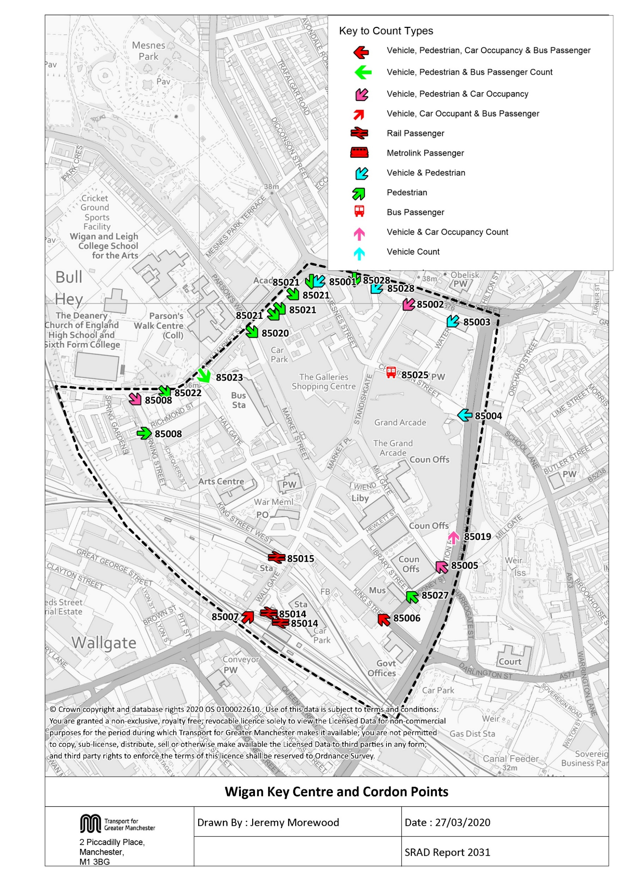

Cordon Map - Robin Park
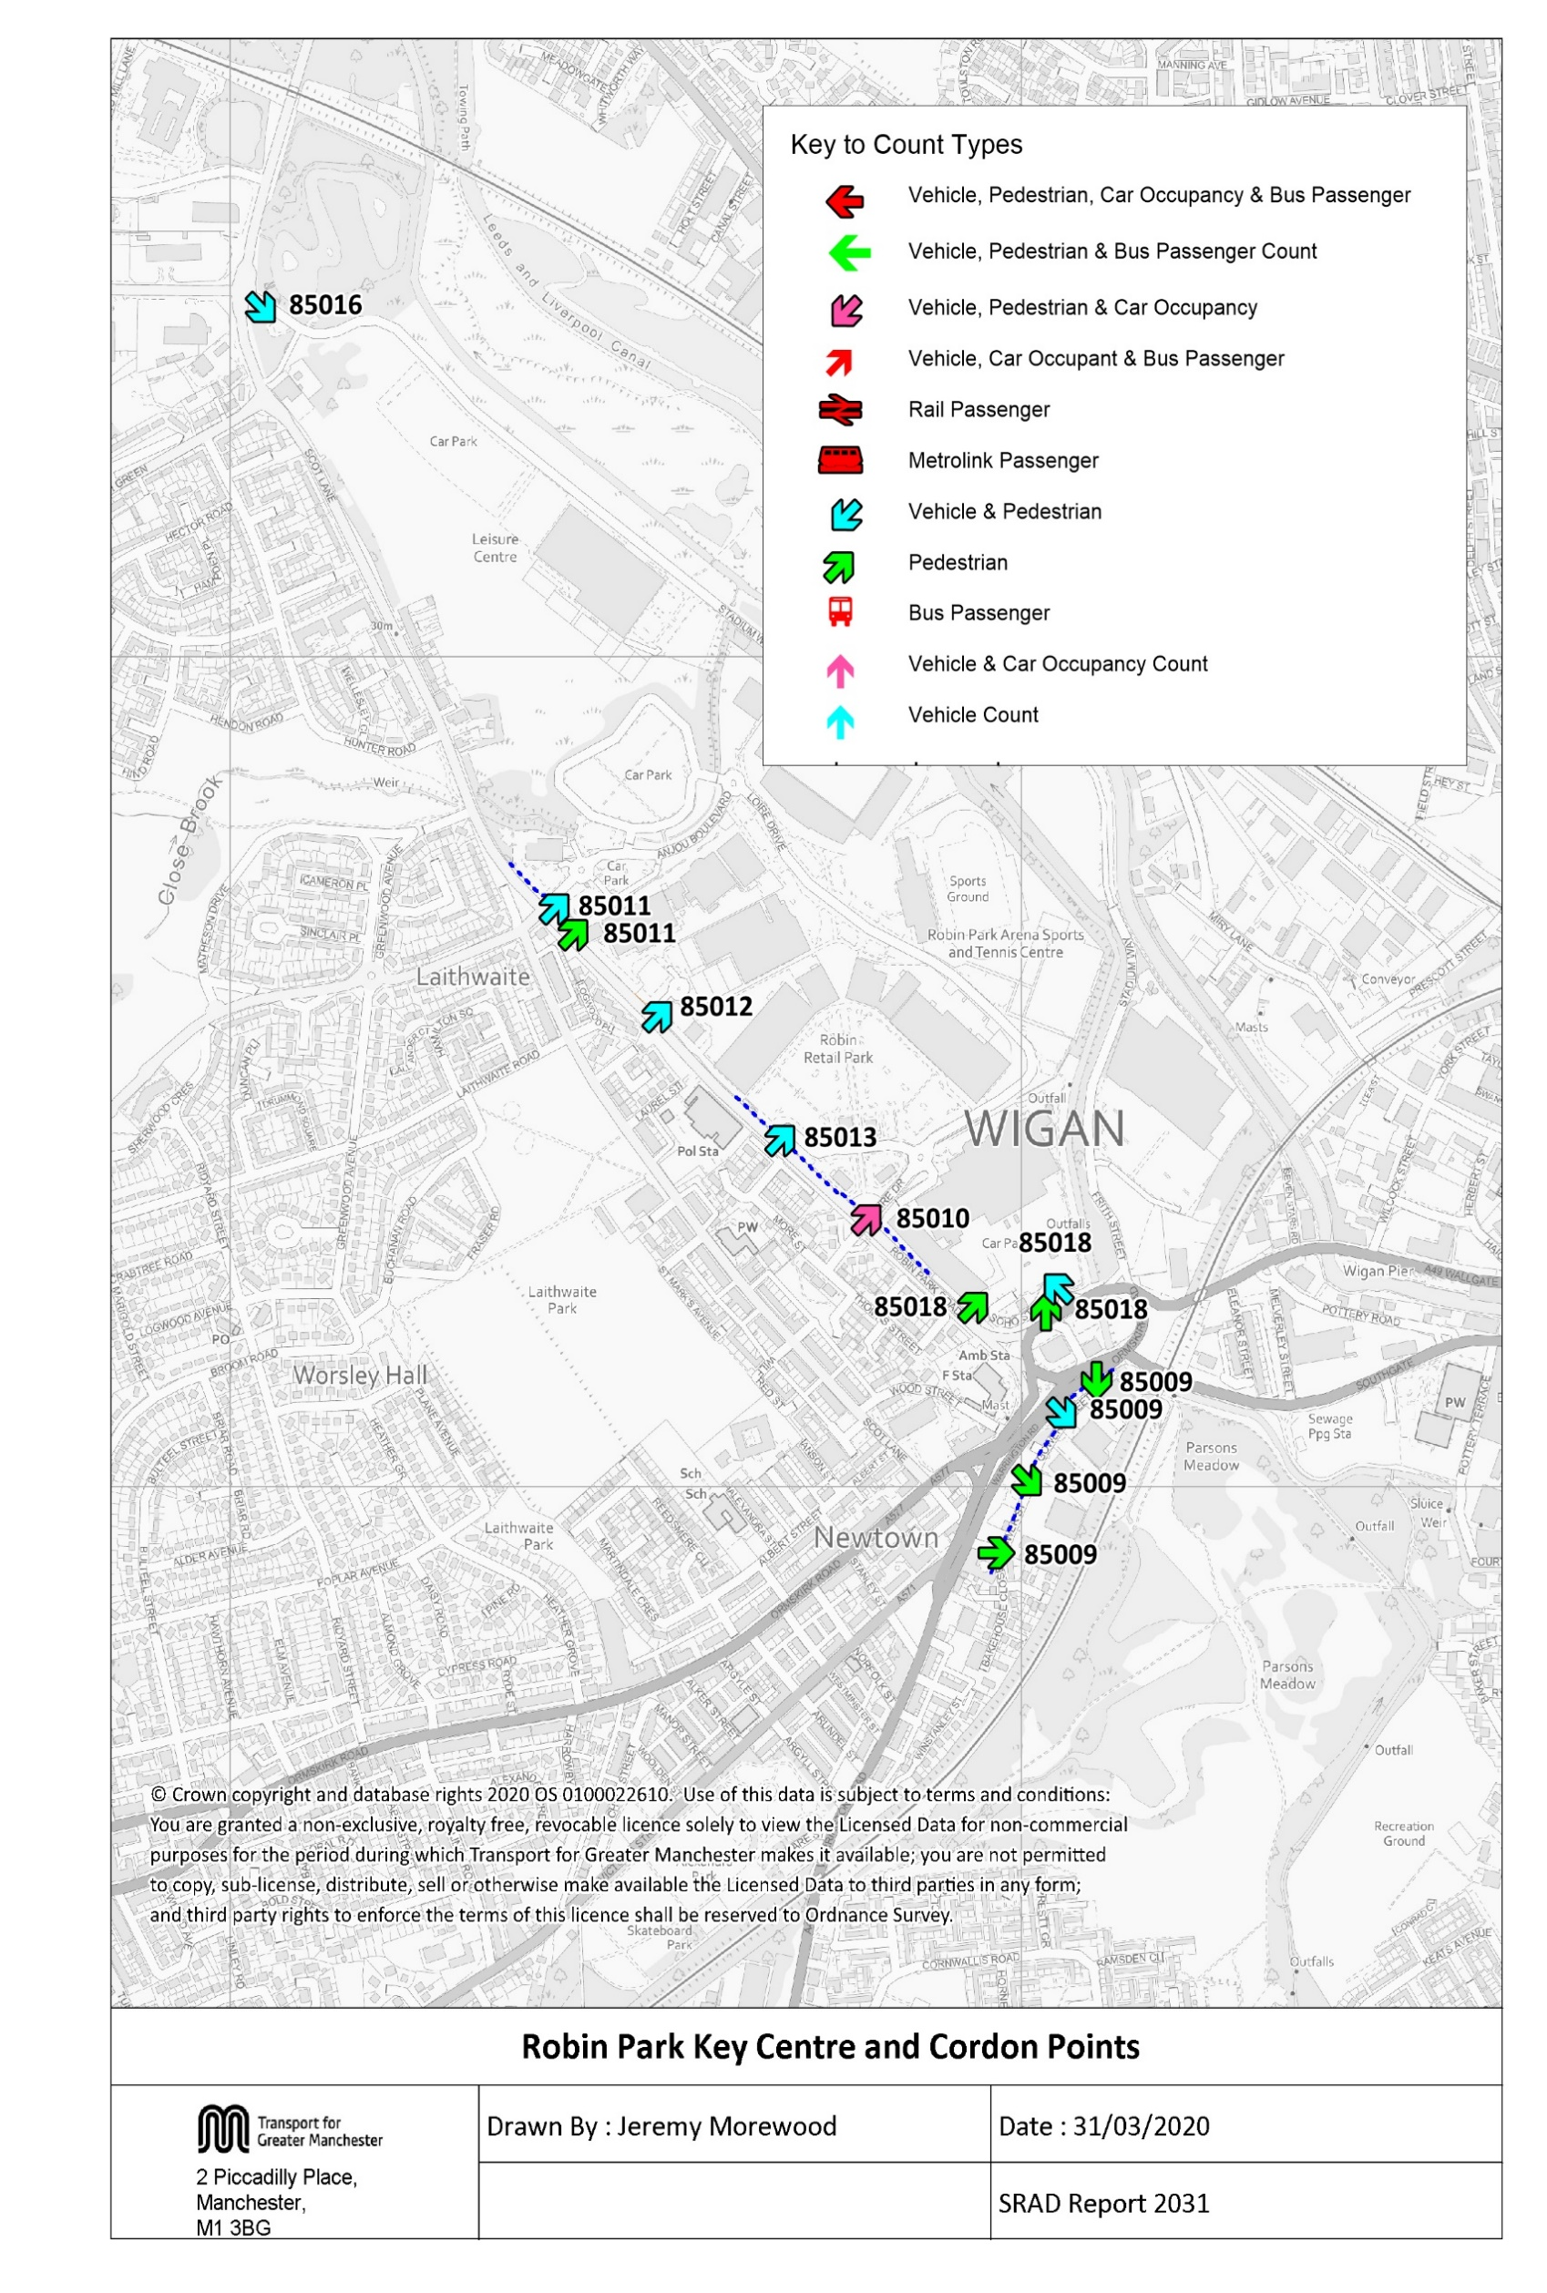

Table 17 Wigan KC Trend
Table 3.19 Wigan Key Centre Inbound Vehicle Counts 1997, 2000, 2003, 2007 & 2009 to 2019
Time Period | Year | Cars | LGV | OGV | Buses | M/C | P/C | All | Time Period | Year | Cars | LGV | OGV | Buses | M/C | P/C | All
07:30-09:30 | 1997 | 2844 | 286 | 124 | 231 | 19 | 42 | 3546 | 10:00-12:00 | 1997 | 3111 | 284 | 116 | 300 | 30 | 27 | 3868
 | 1998 |  |  |  |  |  |  |  |  | 1998
 | 1999 |  |  |  |  |  |  |  |  | 1999
 | 2000 | 2575 | 252 | 56 | 265 | 15 | 34 | 3197 |  | 2000 | 2568 | 284 | 63 | 321 | 17 | 19 | 3272
 | 2001 |  |  |  |  |  |  |  |  | 2001
 | 2002 |  |  |  |  |  |  |  |  | 2002
 | 2003 | 2877 | 314 | 74 | 244 | 15 | 28 | 3552 |  | 2003 | 2767 | 308 | 49 | 256 | 19 | 19 | 3418
 | 2004 |  |  |  |  |  |  |  |  | 2004
 | 2005 |  |  |  |  |  |  |  |  | 2005
 | 2006 | 2448 | 320 | 80 | 184 | 11 | 25 | 3068 |  | 2006 | 2467 | 316 | 79 | 216 | 14 | 13 | 3105
 | 2007 |  |  |  |  |  |  |  |  | 2007
 | 2008 |  |  |  |  |  |  |  |  | 2008
 | 2009 | 2501 | 349 | 62 | 238 | 18 | 44 | 3212 |  | 2009 | 2471 | 275 | 63 | 250 | 18 | 33 | 3110
 | 2010 | 2389 | 276 | 69 | 201 | 13 | 42 | 2990 |  | 2010 | 2300 | 234 | 79 | 218 | 12 | 30 | 2873
 | 2011 | 2477 | 305 | 53 | 234 | 23 | 44 | 3136 |  | 2011 | 2340 | 267 | 36 | 235 | 16 | 37 | 2931
 | 2012 | 2277 | 282 | 55 | 200 | 24 | 53 | 2891 |  | 2012 | 2260 | 229 | 46 | 210 | 15 | 26 | 2786
 | 2013 | 2424 | 252 | 42 | 204 | 23 | 55 | 3000 |  | 2013 | 2181 | 211 | 46 | 211 | 11 | 47 | 2707
 | 2014 | 2269 | 236 | 42 | 227 | 23 | 57 | 2854 |  | 2014 | 2221 | 234 | 46 | 215 | 17 | 41 | 2774
 | 2015 | 2487 | 295 | 49 | 210 | 13 | 41 | 3095 |  | 2015 | 2269 | 241 | 62 | 225 | 10 | 25 | 2832
 | 2016 | 2471 | 249 | 51 | 233 | 14 | 45 | 3063 |  | 2016 | 2394 | 229 | 62 | 224 | 15 | 34 | 2958
 | 2017 | 2322 | 243 | 83 | 213 | 9 | 47 | 2917 |  | 2017 | 2241 | 242 | 58 | 222 | 10 | 33 | 2806
 | 2018 | 2361 | 251 | 54 | 215 | 8 | 46 | 2935 |  | 2018 | 2379 | 196 | 59 | 233 | 5 | 23 | 2895
 | 2019 | 2331 | 271 | 54 | 204 | 15 | 32 | 2907 |  | 2019 | 2198 | 202 | 57 | 235 | 9 | 29 | 2730
 | 2019/1997 | 0.82 | 0.95 | 0.44 | 0.88 | 0.79 | 0.76 | 0.82 |  | 2019/1997 | 0.71 | 0.71 | 0.49 | 0.78 | 0.30 | 1.07 | 0.71
Wigan Key Centre Inbound Vehicle Counts
 | 0730-0930 | 1000-1200 | 1600-1800
1997 | 3546 | 3868 | 2764
1998
1999
2000 | 3197 | 3272 | 2416
2001
2002
2003 | 3552 | 3418 | 2758
2004
2005
2006 | 3068 | 3105 | 2341
2007
2008
2009 | 3212 | 3110 | 2256
2010 | 2990 | 2873 | 2181
2011 | 3136 | 2931 | 2295
2012 | 2891 | 2786 | 1868
2013 | 3000 | 2707 | 1849
2014 | 2854 | 2774 | 1958
2015 | 3095 | 2832 | 2216
2016 | 3063 | 2958 | 2086
2017 | 2917 | 2806 | 2033
2018 | 2935 | 2895 | 2077
2019 | 2907 | 2730 | 2041
16:00-18:00 | 1997 | 2141 | 224 | 67 | 256 | 28 | 48 | 2764
 | 1998
 | 1999
 | 2000 | 1850 | 192 | 20 | 283 | 19 | 52 | 2416
 | 2001
 | 2002
 | 2003 | 2189 | 232 | 20 | 267 | 21 | 29 | 2758
 | 2004
 | 2005
 | 2006 | 1835 | 224 | 19 | 217 | 13 | 33 | 2341
 | 2007
 | 2008
 | 2009 | 1704 | 203 | 26 | 263 | 16 | 44 | 2256
 | 2010 | 1672 | 192 | 30 | 213 | 11 | 63 | 2181
 | 2011 | 1712 | 228 | 13 | 249 | 20 | 73 | 2295
 | 2012 | 1407 | 158 | 7 | 213 | 19 | 64 | 1868
 | 2013 | 1417 | 132 | 21 | 198 | 21 | 60 | 1849
 | 2014 | 1470 | 186 | 13 | 215 | 17 | 57 | 1958
 | 2015 | 1745 | 177 | 14 | 214 | 10 | 56 | 2216
 | 2016 | 1610 | 187 | 12 | 218 | 12 | 47 | 2086
 | 2017 | 1512 | 170 | 26 | 260 | 21 | 44 | 2033
 | 2018 | 1611 | 179 | 19 | 216 | 9 | 43 | 2077
 | 2019 | 1587 | 203 | 10 | 207 | 6 | 28 | 2041
 | 2019/1997 | 0.74 | 0.91 | 0.15 | 0.81 | 0.21 | 0.58 | 0.74

-5
-8
-2

Tab 18 RobinPk TrafficTrend
Trend in Vehicles Crossing Robin Park Key Centre Cordon
Table 18 Robin Park Key Centre Cordon Counts 1997, 2000, 2003, 2007 and 2009 - 2019
Time Period | Year | Cars | LGV | OGV | Buses | M/C | P/C | All | Time Period | Year | Cars | LGV | OGV | Buses | M/C | P/C | All
07:30-09:30 | 1997 | 442 | 64 | 33 | 2 | 4 | 6 | 551 | 10:00-12:00 | 1997 | 1040 | 96 | 45 | 2 | 3 | 4 | 1190
 | 2000 | 693 | 58 | 25 | 8 | 5 | 13 | 802 |  | 2000 | 1672 | 105 | 35 | 19 | 9 | 5 | 1845
 | 2003 | 931 | 78 | 23 | 8 | 7 | 21 | 1068 |  | 2003 | 1853 | 105 | 43 | 10 | 9 | 16 | 2036
 | 2006 | 1011 | 85 | 13 | 4 | 1 | 8 | 1122 |  | 2006 | 2099 | 117 | 40 | 14 | 3 | 3 | 2276
 | 2009 | 1173 | 93 | 11 | 2 | 7 | 12 | 1298 |  | 2009 | 2118 | 138 | 23 | 7 | 10 | 22 | 2318
 | 2010 | 1049 | 91 | 16 | 2 | 1 | 14 | 1173 |  | 2010 | 2123 | 138 | 21 | 8 | 13 | 11 | 2314
 | 2011 | 1236 | 106 | 7 | 3 | 4 | 25 | 1381 |  | 2011 | 2063 | 123 | 19 | 1 | 7 | 18 | 2231
 | 2012 | 1415 | 140 | 11 | 6 | 10 | 18 | 1600 |  | 2012 | 2331 | 147 | 26 | 0 | 7 | 26 | 2537
 | 2013 | 1150 | 93 | 15 | 4 | 6 | 9 | 1277 |  | 2013 | 1847 | 86 | 8 | 4 | 5 | 3 | 1953
 | 2014 | 1211 | 101 | 17 | 5 | 7 | 24 | 1365 |  | 2014 | 2248 | 143 | 19 | 4 | 13 | 24 | 2451
 | 2015 | 1192 | 84 | 23 | 3 | 4 | 25 | 1331 |  | 2015 | 2177 | 179 | 20 | 3 | 2 | 15 | 2396
 | 2016 | 1219 | 128 | 25 | 2 | 6 | 15 | 1395 |  | 2016 | 2291 | 186 | 20 | 3 | 9 | 32 | 2541
 | 2017 | 1342 | 148 | 14 | 1 | 7 | 26 | 1538 |  | 2017 | 2396 | 155 | 22 | 2 | 9 | 19 | 2603
 | 2018 | 1286 | 89 | 36 | 0 | 2 | 15 | 1428 |  | 2018 | 2498 | 193 | 42 | 0 | 0 | 15 | 2748
 | 2019 | 1403 | 167 | 24 | 1 | 2 | 37 | 1634 |  | 2019 | 2415 | 199 | 20 | 2 | 3 | 17 | 2656
 | 2019/1997 | 3.17 | 2.61 | 0.73 | 0.50 | 0.50 | 6.17 | 2.97 |  | 2019/1997 | 2.32 | 2.07 | 0.44 | 1.00 | 1.00 | 4.25 | 2.23
Robin Park Key Centre Inbound Vehicle Counts
16:00-18:00 | 1997 | 1245 | 67 | 20 | 1 | 4 | 6 | 1343
 | 2000 | 1659 | 80 | 12 | 9 | 14 | 12 | 1786
 | 2003 | 2047 | 108 | 18 | 10 | 11 | 21 | 2215
 | 2006 | 2042 | 127 | 11 | 11 | 11 | 2 | 2204
 | 2009 | 2236 | 138 | 8 | 4 | 11 | 26 | 2423
 | 2010 | 2093 | 105 | 6 | 1 | 8 | 45 | 2258
 | 2011 | 2159 | 129 | 4 | 1 | 22 | 55 | 2370
 | 2012 | 2267 | 147 | 8 | 2 | 14 | 27 | 2465
 | 2013 | 2197 | 119 | 7 | 1 | 7 | 17 | 2348
 | 2014 | 2196 | 159 | 15 | 0 | 21 | 58 | 2449
 | 2015 | 2288 | 148 | 6 | 0 | 9 | 52 | 2503
 | 2016 | 2312 | 147 | 6 | 1 | 20 | 41 | 2527
 | 2017 | 2430 | 174 | 9 | 2 | 9 | 64 | 2688
 | 2018 | 2598 | 178 | 14 | 1 | 6 | 30 | 2827
 | 2019 | 2511 | 186 | 11 | 0 | 9 | 68 | 2785
 | 2019/1997 | 2.02 | 2.78 | 0.55 | 0.00 | 2.25 | 11.33 | 2.07

Table 26 KC Car&Non-carTrips
Car and Non-Car Trips into Wigan Key Centre 07:30-09:30
 | Car | Bus | Walk | Rail | Cycle
2003 | 3798 | 1364 | 1889 | 619 | 28
2004
2005
2006 | 3623 | 1787 | 2722 | 558 | 25
2007
2008
2009 | 3626 | 1936 | 2713 | 711 | 44
2010 | 3440 | 1889 | 2719 | 893 | 42
2011 | 3542 | 2353 | 2512 | 1030 | 44
2012 | 3256 | 1685 | 2757 | 859 | 53
2013 | 3491 | 2138 | 3142 | 897 | 55
2014 | 3222 | 2125 | 2823 | 1067 | 57
2015 | 3560 | 2030 | 2616 | 901 | 41
2016 | 3562 | 1769 | 2753 | 1028 | 45
2017 | 3339 | 2021 | 2998 | 776 | 47
2018 | 3575 | 2145 | 3115 | 940 | 46
2019 | 3440 | 2101 | 2866 | 716 | 32
Table 26 Car and Non-Car Trips into Wigan Key Centre (Does not include Robin Park)
Time Period | Year | Car | Bus | Rail | Cycle | Walk | Total | % Car | % Non-Car
07:30-09:30 | 2003 | 3798 | 1364 | 619 | 28 | 1889 | 7698 | 49 | 51
 | 2004
 | 2005
 | 2006 | 3623 | 1787 | 558 | 25 | 2722 | 8715 | 42 | 58
 | 2007
 | 2008
 | 2009 | 3626 | 1936 | 711 | 44 | 2713 | 9030 | 40 | 60
 | 2010 | 3440 | 1889 | 893 | 42 | 2719 | 8984 | 38 | 62
 | 2011 | 3542 | 2353 | 1030 | 44 | 2512 | 9481 | 37 | 63
 | 2012 | 3256 | 1685 | 859 | 53 | 2757 | 8610 | 38 | 62
 | 2013 | 3491 | 2138 | 897 | 55 | 3142 | 9722 | 36 | 64
 | 2014 | 3222 | 2125 | 1067 | 57 | 2823 | 9294 | 35 | 65
 | 2015 | 3560 | 2030 | 901 | 41 | 2616 | 9148 | 39 | 61
 | 2016 | 3562 | 1769 | 1028 | 45 | 2753 | 9157 | 39 | 61
 | 2017 | 3339 | 2021 | 776 | 47 | 2998 | 9181 | 36 | 64
 | 2018 | 3575 | 2145 | 940 | 46 | 3115 | 9821 | 36 | 64
 | 2019 | 3440 | 2101 | 716 | 32 | 2866 | 9155 | 38 | 62
Car and Non-Car Trips into Wigan Key Centre 10:00-12:00
 | Car | Bus | Walk | Rail | Cycle
2003 | 4372 | 1109 | 2811 | 367 | 19
2004
2005
2006 | 3750 | 1545 | 3830 | 402 | 13
2007
2008
2009 | 3954 | 2551 | 4044 | 362 | 33
2010 | 3611 | 2201 | 4059 | 572 | 30
2011 | 3533 | 2377 | 3856 | 645 | 37
2012 | 3503 | 2563 | 3620 | 595 | 26
2013 | 3359 | 2179 | 4034 | 636 | 47
2014 | 3332 | 2828 | 3722 | 583 | 41
2015 | 3562 | 1880 | 3497 | 617 | 25
2016 | 3749 | 1933 | 3404 | 617 | 34
2017 | 3430 | 2144 | 3459 | 687 | 33
2018 | 3663 | 2108 | 3697 | 773 | 23
2019 | 3362 | 2091 | 3527 | 537 | 29
 | 2019/2003 | 0.91 | 1.54 | 1.16 | 1.14 | 1.52 | 1.19
10:00-12:00 | 2003 | 4372 | 1109 | 367 | 19 | 2811 | 8678 | 50 | 50
 | 2004
 | 2005
 | 2006 | 3750 | 1545 | 402 | 13 | 3830 | 9540 | 39 | 61
 | 2007
 | 2008
 | 2009 | 3954 | 2551 | 362 | 33 | 4044 | 10943 | 36 | 64
 | 2010 | 3611 | 2201 | 572 | 30 | 4059 | 10473 | 34 | 66
 | 2011 | 3533 | 2377 | 645 | 37 | 3856 | 10449 | 34 | 66
 | 2012 | 3503 | 2563 | 595 | 26 | 3620 | 10307 | 34 | 66
 | 2013 | 3359 | 2179 | 636 | 47 | 4034 | 10255 | 33 | 67
 | 2014 | 3332 | 2828 | 583 | 41 | 3722 | 10505 | 32 | 68
 | 2015 | 3562 | 1880 | 617 | 25 | 3497 | 9580 | 37 | 63
 | 2016 | 3749 | 1933 | 617 | 34 | 3404 | 9737 | 38 | 62
 | 2017 | 3430 | 2144 | 687 | 33 | 3459 | 9753 | 35 | 65
 | 2018 | 3663 | 2108 | 773 | 23 | 3697 | 10264 | 36 | 64
 | 2019 | 3362 | 2091 | 537 | 29 | 3527 | 9546 | 35 | 65
Car and Non-Car Trips into Wigan Key Centre 16:00-18:00
 | Car | Bus | Walk | Rail
2003 | 3284 | 385 | 2148 | 782 | 29
2004
2005
2006 | 2459 | 576 | 1849 | 611 | 33
2007
2008
2009 | 2403 | 999 | 2143 | 944 | 44
2010 | 2458 | 1106 | 2309 | 1124 | 63
2011 | 2311 | 1047 | 2135 | 1290 | 73
2012 | 2040 | 878 | 2336 | 1059 | 64
2013 | 2083 | 1104 | 2216 | 1170 | 60
2014 | 2205 | 1065 | 2336 | 776 | 57
2015 | 2484 | 1216 | 2258 | 1163 | 56
2016 | 2386 | 1046 | 2247 | 1285 | 47
2017 | 2185 | 1017 | 2360 | 1144 | 44
2018 | 2335 | 865 | 2260 | 1380 | 43
2019 | 2277 | 760 | 2285 | 1488 | 28
2019/2003
 | 2019/2003 | 0.77 | 1.89 | 1.46 | 1.53 | 1.25 | 1.10
16:00-18:00 | 2003 | 3284 | 385 | 782 | 29 | 2148 | 6628 | 50 | 50
 | 2004
 | 2005
 | 2006 | 2459 | 576 | 611 | 33 | 1849 | 5528 | 44 | 56
 | 2007
 | 2008
 | 2009 | 2403 | 999 | 944 | 44 | 2143 | 6533 | 37 | 63
 | 2010 | 2458 | 1106 | 1124 | 63 | 2309 | 7059 | 35 | 65
 | 2011 | 2311 | 1047 | 1290 | 73 | 2135 | 6856 | 34 | 66
 | 2012 | 2040 | 878 | 1059 | 64 | 2336 | 6377 | 32 | 68
 | 2013 | 2083 | 1104 | 1170 | 60 | 2216 | 6633 | 31 | 69
 | 2014 | 2205 | 1065 | 776 | 57 | 2336 | 6439 | 34 | 66
 | 2015 | 2484 | 1216 | 1163 | 56 | 2258 | 7177 | 35 | 65
 | 2016 | 2386 | 1046 | 1285 | 47 | 2247 | 7011 | 34 | 66
 | 2017 | 2185 | 1017 | 1144 | 44 | 2360 | 6750 | 32 | 68
 | 2018 | 2335 | 865 | 1380 | 43 | 2260 | 6883 | 34 | 66
 | 2019 | 2277 | 760 | 1488 | 28 | 2285 | 6838 | 33 | 67
 | 2019/2003 | 0.69 | 1.97 | 1.90 | 0.97 | 1.06 | 1.03

